Sheet1
 |  | Brush Drive
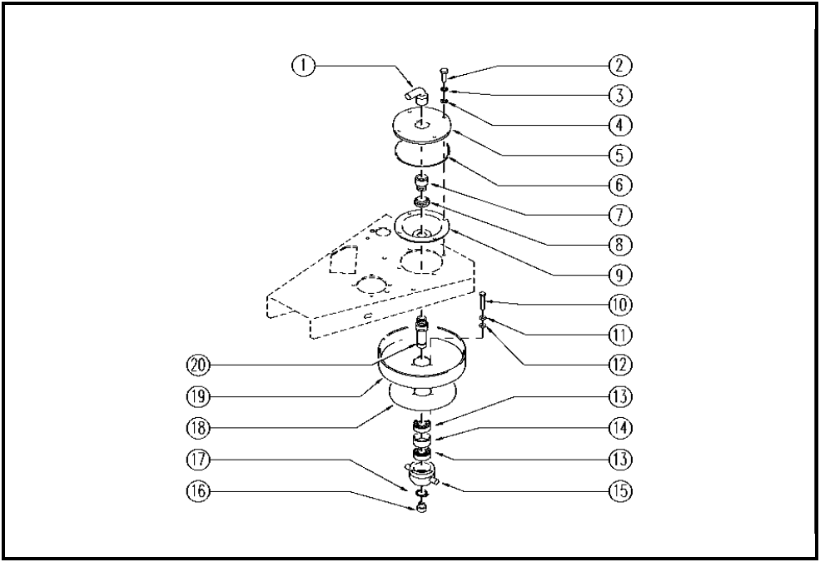

ITEM | SKU | Description | QTY
1 | E86638 | Union Elbow | 1
2 | E89182 | Screw | 4
3 | E89183 | Washer | 4
4 | E86879 | Washer | 4
5 | E89113 | Cover WS20 | 1
6 | E89111 | Gasket | 1
7 | E86636 | Nipple | 1
8 | E86468 | AS20 Nut | 1
9 | E86725 | Flange, WS20 | 1
10 | E86737 | Screw | 3
11 | E86716 | Cham Washer | 3
12 | E86427 | Washer for AS20 | 3
13 | E86409 | Bearing, 6005 2RS | 2
14 | E86533 | Bearing spacer | 1
15 | E86532 | Conveyor | 1
16 | E89367 | Cap WS20 | 1
17 | E86812 | Seegeer | 1
18 | E89090 | Splash guard | 1
19 | E86724 | Pulley, before 04B004 | 1
20 | E86534 | Pin | 1

